Sheet1
 |  | httpsdevelopers.facebook.com

 |  | create app | korar jonno

 |  |  | https://developers.facebook.com/apps/

 | create app> business> |  |  | next | > | name | > | email | > | password | create app

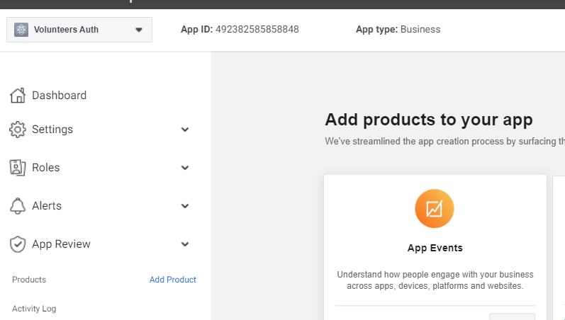
 | 3

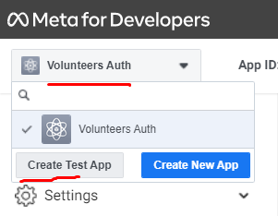
 | 4

 | 5

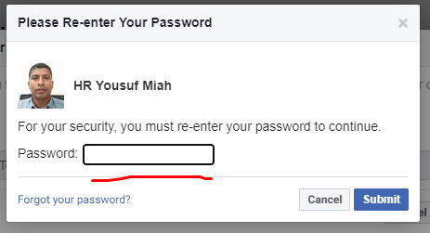
 | 6

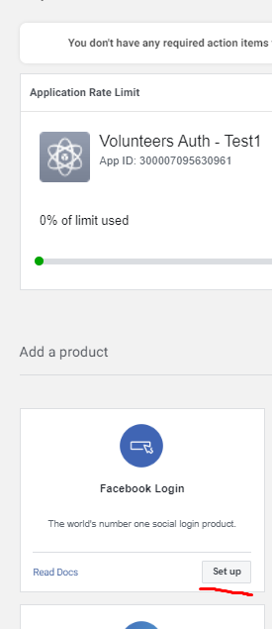
 | 7

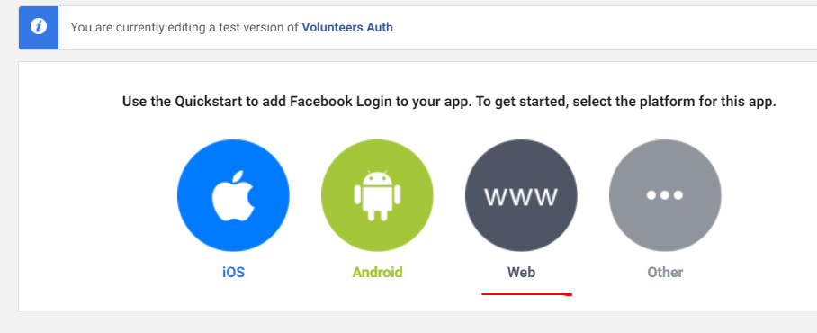
8

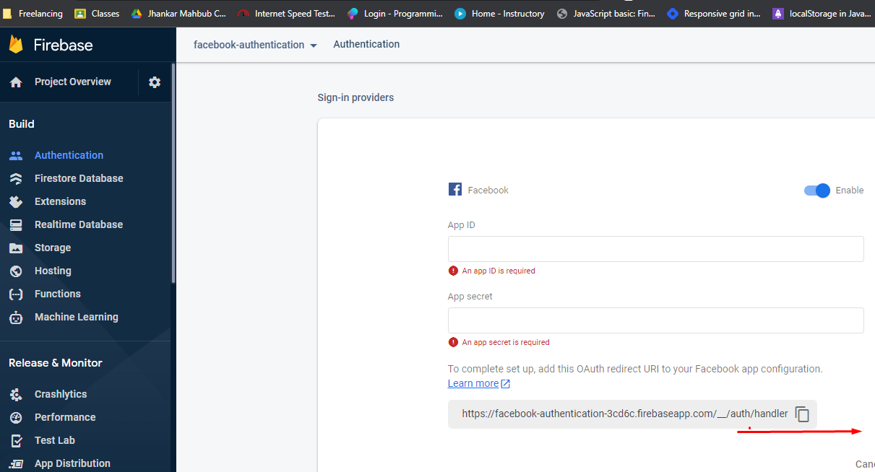
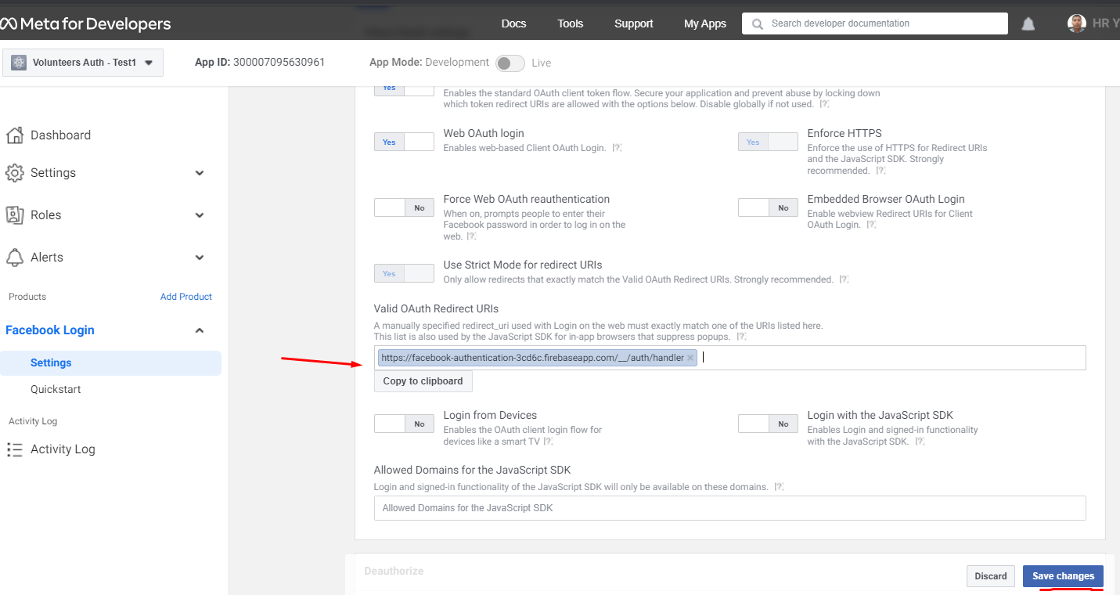
9

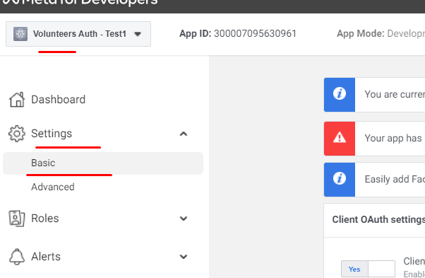
 | 10


 | 11

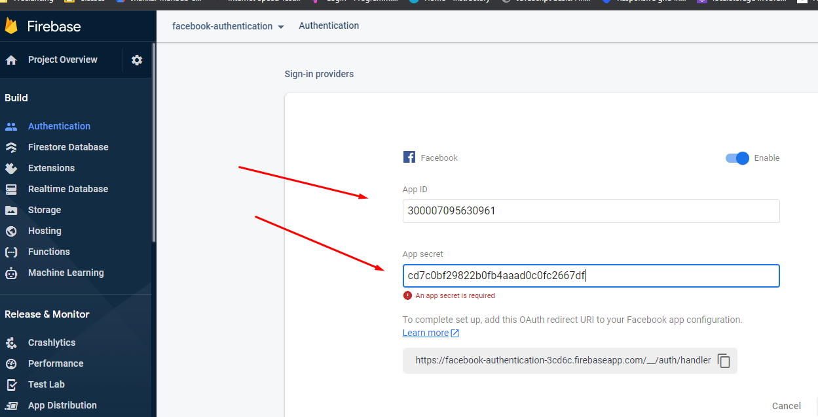

 |  | facebook enable holo

